1. Title Page
Grocery Basket Analysis

Project Name: Grocery Basket Analysis
Date: June 19, 2023
Analyst Name: Erin Swift

Contents:
Population Flow
Consistency checks
Wrangling steps
Column derivations
Visualizations
Recommendations
Data Citation

2. Population Flow
Title page

Population flow

Exclusion flag
Condition: max_order > 5: 30,964,564
Obervations to be removed: 1,440,295
Final total count of order_products_all: 32,404,859

Orders_products_combined
Orders_products_merged
Orders_products_all

Total: 32,404,859
Total: 3,424,489
Total: 32,404,859

1.) The grey boxes in the first row of the population flow represent the original data sets as they were when you downloaded them. In the Total fields you need to add the count of the rows when you imported the data set into Jupyter.
2.) The second row of boxes (coloured) represents the data sets after you manipulated them, e.g., removed missing values and duplicates. In the Total fields you need to add the count of the rows after conducting these operations. This offers a visual oveview of how the data flows throughout the data consistency checks.
3.) The third row, where also the arrows are coloured, represents the merges you performed between the datasets. In the Total fields you need to add the count of the rows in the merged datasets, so that you end up with the final dataset (in the red box). Keep in mind the final dataset should be without exclusions (based on the exclusion flag).

3. Consistency checks
 |  |  |  | Title page
Consistency checks

Dataset | Missing values | Missing values treatment | Duplicates
orders | Days since prior orders | No treatment as these orders are the first orders for the user | No duplicates
products | Product Names | Dropped products without product names from dataset | Dropped duplicates from data set
orders_products_prior | no missing values |  | No duplicates
customers | no missing values |  | No duplicates

4. Wrangling steps
 |  |  |  | Title page
Wrangling steps

Columns dropped | Columns renamed | Columns' type changed | Comment/Reason
 | orders['orders_dow'] = orders['orders_day_of_week'] |  | Create more clear understanding of variables
_merge |  |  | _merge columns dropped after frequency checks; not needed after merge
 | customers['Age'] = customers['age'] |  | match case of other columns for ease of reading and use
 | customers['Gender'] = customers['gender'] |  | match case of other columns for ease of reading and use
 | customers['STATE'] = customers['state'] |  | match case of other columns for ease of reading and use
 | customers['n_dependants'] = customers['num_dependants'] |  | match case of other columns for ease of reading and use
customers['First Name'] |  |  | Column was unnecessary for analysis and protects PII
customers['Surnam'] |  |  | Column was unnecessary for analysis and protects PII

5. Column derivations
 |  |  |  | Title page

Column derivations and aggregations

Dataset | New column | Column/s it was derived from | Conditions
orders_products_merged | price_range | prices | price <=5 is low_price range; price > 5 and <= 15 is mid-range; price > 15 is high-range
orders_products_merged | busiest_day | order_day_of_week | order_day_of_week = 0 is busiest day; order_day_of_week = 4 is least busy; all other days are regularly busy
orders_products_merged | grouped_days | order_day_of_week | order_day_of_week = 0 or 1 is busiest day; order_day_of_week = 4 or 3 is least busy; all other days are regularly busy
orders_products_merged | busiest_period_of_day | order_hour_of_day | order_hour_of_day = 10 is Most Orders; order_hour_of_day = 3 is Fewest Orders; all other hours are average orders
orders_products_merged | max_orders | user_id, order_number | total number of orders per user_id
orders_products_merged | loyalty_flag | max_orders | max_orders > 40 is Loyal customer, max_orders <= 40 and >10 is Regular Customer, max_orders <= 10 is New Customer
orders_products_merged | mean_price | user_id, prices | mean price of items bought per user_id
orders_products_merged | spending_flag | mean_price | mean_price < 10 is Low Spender, mean_price >= is High Spender
orders_products_merged | median_days_since | days_since_prior_order | median number of days since prior order by user_id
orders_products_merged | frequency_flag | median_days_since | median_days_since > 20 is Non-frequent user, median_days_since <= 20 and > 10 is Regular customer, median_days_since < 10 is frequent customer
orders_products_customers | region | state | region assigned based on regions assigned by the US Census Bureau
orders_products_customers | activity_flag | max_orders | max_orders >= 5 is Regular Activity, max_orders < 5 is Low Activity
orders_products_customers | age_group | age | age >= 65 is Senior, age <65 and >= 35 is Adult, age < 35 is Young Adult
orders_products_customers | income_flag | income | income > 200000 is Upper class, income between 200000 and 50000 is middle class and income less than 50000 is low income
orders_products_customers | dependants_flag | num_dependants | num_dependants > 0 then Dependants, num_dependants <= 0 is No Dependants

6. Visualizations
 |  | Title page

Visualisations

Order Frequency
Basic Demograhpics
Order Expenditures
Customer Profiles
Cross References

Order Frequency



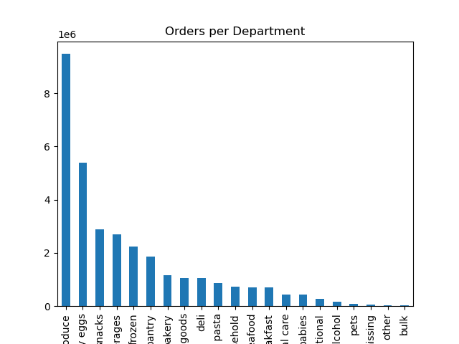
Orders by Day
Orders by Hour of Day

From the order frequency charts, we learn import insights regarding the overall buying habits of users of Instacart. We know that Saturday (day 0) is the most popular day, followed by Sunday and Friday. Wednesday is the least popular day for orders. We can also see that the majority of orders occur from mid-morning to mid-afternoon, or early evening. The hour between 9:00 AM and 10:00 AM is the most popular hour for orders and the hours from 1:00 AM to 7:00 AM are the least popular hours. Lastly, we know that produce is the most popular department, followed by dairy/eggs. These two departments account for 45% of the total products purchased through Instacart.

Basic Demographics
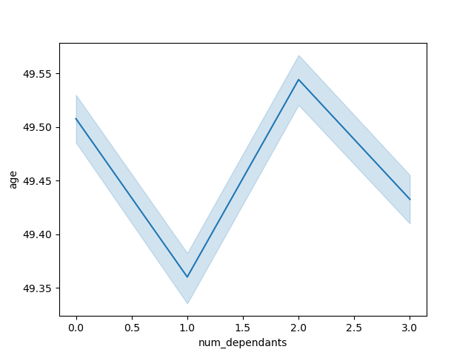


 | Comparing age to number of dependants and annual income provides little insight into the customer base of Instacart. What we can conclude is that as the customers age, their annual income increases. This can be expected based on the generalization that as a person ages, their annual income increases, until they retire. What we can also see from these illustrations is that the majority of customers have an income of less than $200,000 until around 40 years, when there are more customers when incomes in the $200,000 to $300,000 range.

Order Expenditures
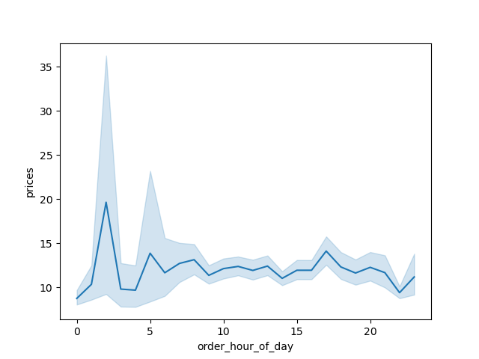
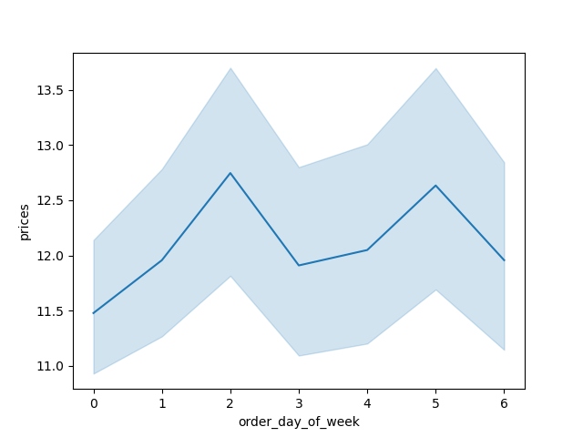

 | As part of determining customer expenditures, graphs were created to compare prices in orders to the order hour of the day and the day of the week. From the data, we learn that customers tend to spend between $11 and $13 per item most hours of the day. However, there are a few exceptions to this norm. During the early morning hours, there is a spike in price per item, up to $20 per item. Conversely, there is a dip in item price late at night, into midnight. We don't see the same type of fluctuation in the prices based on the day of the order, but do see that the highest spending is on Monday and Thursday.

Customer Profiles

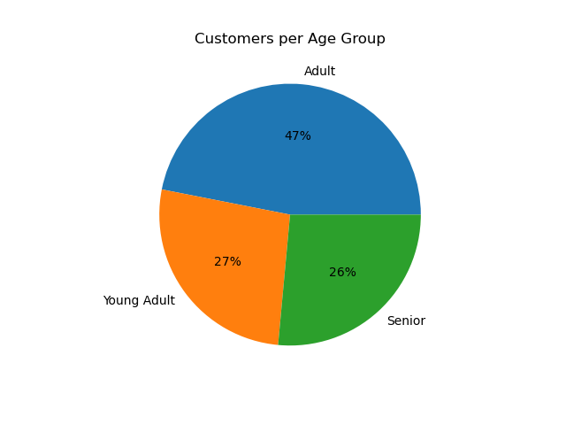
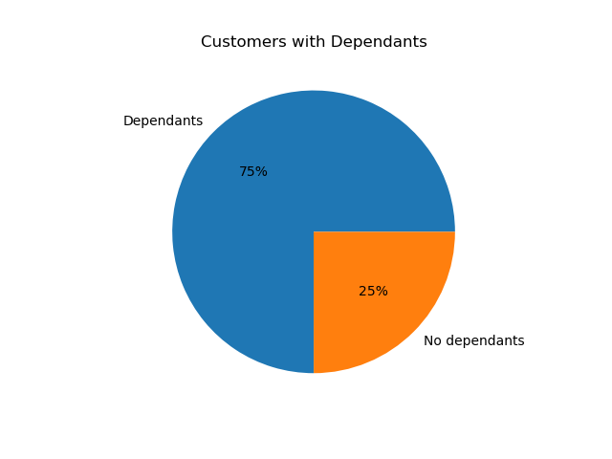
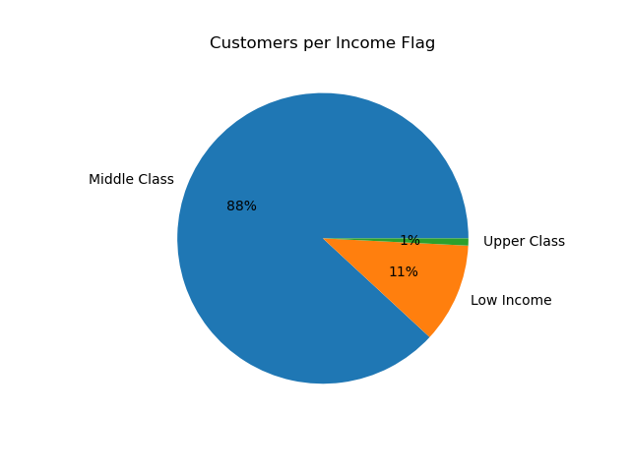

 | When profiling customers, three main items were considered: customer age, income, and number of dependants. Based on the flags created, nearly half of the customers who use Instacart are between the ages of 35 and 64 years old. The remaining customer base is split almost evenly between individuals under 35 and individuals over 64 years. What we also learn is that a significant number of customers have an income of between $50,000 and $200,000. This was touched on briefly in previous visuals, but is brought back at this point of doing further analysis and profiling. Of note as well is that very few individuals who use Instacart have an income of $200,000 or greater. Also of note is the large percentage of users who have dependants living in their household. Only 25% of individuals shopping on Instacart are shopping for homes without dependants.

Cross References

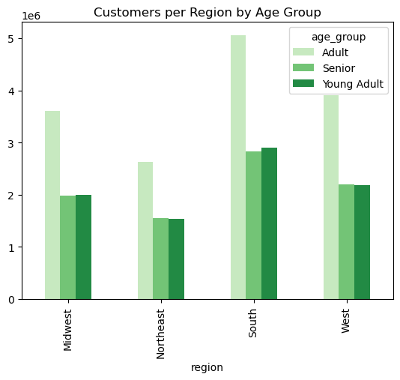
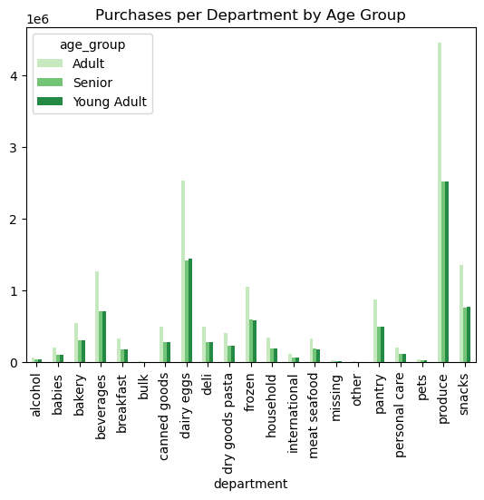

 | Based on previous analysis, we know that nearly 50% of customers of Instacart are 'Adults' based on our profiling criteria. As expected, adults make up the greatest percentage of customers in each region. Of note, is that the 'Young Adult' population out numbers the Senior population in the Midwest and the South. When looking at the purchases by age group by department, adults are purchasing significant amounts on produce, dairy/eggs, beverages, and snacks. Also of note is that the senior population outspends the young adults in the frozen food department.

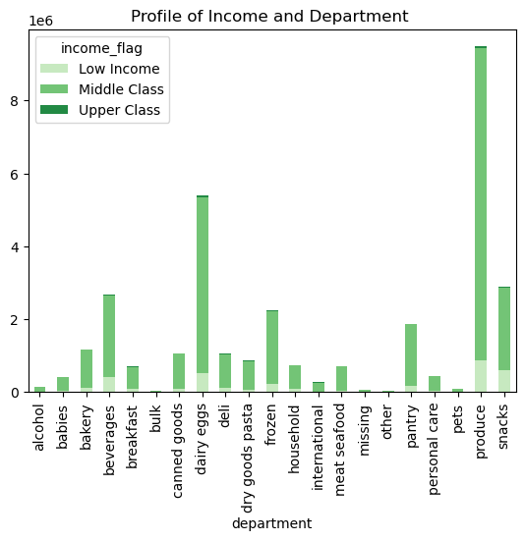
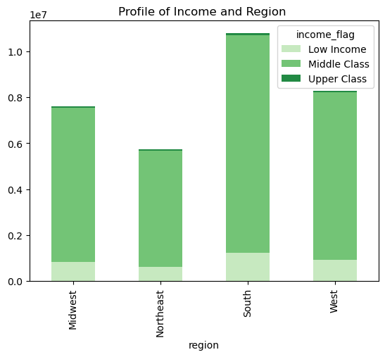

 | When comparing the income of customers and their region and purchasing department, there are a few notes of value. First, the customers with low income is relatively consistent across the United States, despite the South having more customers than any other region. Additionally, the middle class buys the most produce and dairy/eggs. The customers categorized as upper class also spent highly in the produce and dairy/eggs department and in the international department. This group did not spend much in the departments that have a greater shelf-life such as canned goods or panty. Lastly, the customers with the lowest income also spent in the produce department, but spent almost equally on snacks as dairy/eggs.

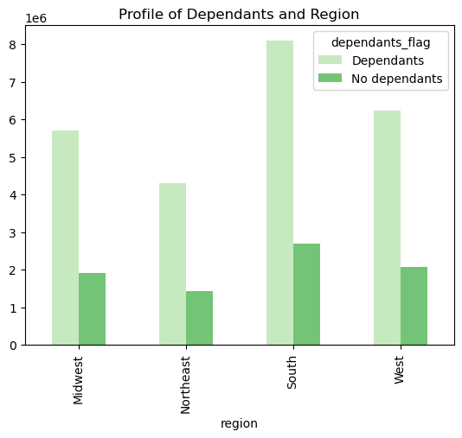
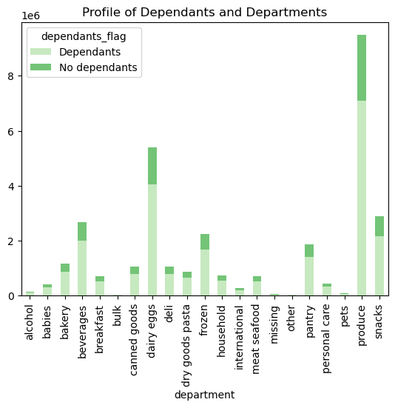

 | The cross-reference between the number of dependants per household and region supports the previously concluded that 75% of customers have at least one dependant in their household. There is no significant difference in the ratio of dependant to non-dependant households across each region. Somewhat surprisingly, that also holds true when comparing the number of dependants and departments. One interesting point is that there is a recordable number of purchases from the baby department for households that don't have any dependants.

7. Recommendations
 |  |  |  |  |  | Title page

Recommendations

What is the busiest days of the week?
The busiest day of the week is Saturday, followed by Sunday, based on number of orders per day of the week.
Saturday 6204182
Sunday 5660230
Friday 4496490
Monday 4213830
Thursday 4205791
Tuesday 3840534
Wednesday 3783802

What is the busiest hour for orders?
The hour of 10:00 AM to 11:00 AM has the most orders, followed by 11:00 AM to 12:00 PM. The busiest hour has 2.76 million orders and the second busiest hour has 2.73 million orders.

What's the distribution among users in regards to their brand loyalty? Are there differences in their spending habits based on customer loyalty?
The customer database at Instacart can be broken into three different loyalty flags: Loyal, Regular, and New customers. Loyal customers have more than 40 orders, regular customers have between 40 and 10 orders, and new customers have less than ten orders. The breakdown of customer loyalty is as follows. Additionally, loyal customers tend to spend the least amount per item when completing Instacart orders and new customers are most likely to spend the most, almost $3 more than loyal customers.
 |  | Number of customers | Average Spending
 | Regular | 15,876,776 | $12.50
 | Loyal | 10,284,093 | $10.39
 | New | 6,243,990 | $13.30

Are their differences in ordering habits based on a customer's region?
Four different categories were analysized to determine if there was a significant different in ordering habits of customer's based on their region. Those categories were days since prior order, min spent on items, max spent on items, and the average spent per order. The data shows there there are no significant differences in the ordering habits based on region. Additionally, a cross reference between regions and products ordered supports this conclusion as well.
 |  | Days Since Prior Order | Min Spent | Max Spent | Average Spent
 | Midwest | 11.18 | $1.00 | $25.00 | $7.79
 | Northeast | 11.08 | $1.00 | $25.00 | $7.78
 | South | 11.11 | $1.00 | $25.00 | $7.79
 | West | 11.04 | $1.00 | $25.00 | $7.79
Is their a connection between age and family status in terms of ordering habits?
Based on the information that we are able to calculate from the order and customer data, there is no connection between age or family status when it comes to ordering habits. The customer data was separated into three age groups (Young Adults, Adults and Seniors) and two dependant groups (Dependants and Non-Dependants). Each of these groupings had an average time between orders of 11 days and a price point of either $7.78 or $7.79.

What differences can you find in ordering habits of different customer profiles?
The customer profile with the most significant differences is that regarding income. The largest group in this profile is the middle-income group. This group also is the group that spends the most per item, at almost $8 per item, which is over a dollar more than the low-income group. A dollar is significant given the number of orders this income group spends. Additionally, the low-income group spends the least amount per order and orders the least frequently of the three classifications. We also know, from other visualizations, that this group purchases snacks in addition to produce and dairy. Snacks are the most inexpensive food item available through Instacart.
 |  | Number of Orders | Days Since Prior Order | Average Spent
 | Low | 3,594,083 | 11.58 | $6.70
 | Middle | 28,552,333 | 11.01 | $7.90
 | Upper | 258,443 | 10.10 | $7.78

8. Data Citation
Title page

Data Citation

Data Source: “The Instacart Online Grocery Shopping Dataset 2017”, Accessed from www.instacart.com/datasets/grocery-shopping-2017 via Kaggle on May 16, 2023
Note on Data: Customer data and prices in report is fabricated and do not reflect actual customers or current prices.

